Wheels
 |  |  | S = Standard Equipment A = Available -- (dashes) = Not Available D = ADI Available ■ = Included in Equipment Group □ = Included in Equipment Group but upgradeable * = Indicates availability of feature on multiple models.
Orderable RPO Code | Ref. Only RPO Code | Wheels | Description | LT 1FF48 2LT | RS 1FG48 2RS
 | RSB | 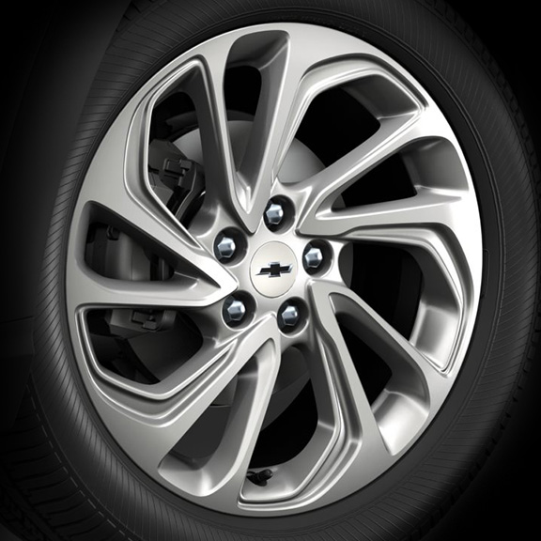 | Wheels, 17" (43.2 cm) Silver painted aluminum | S | --
 | RTN | 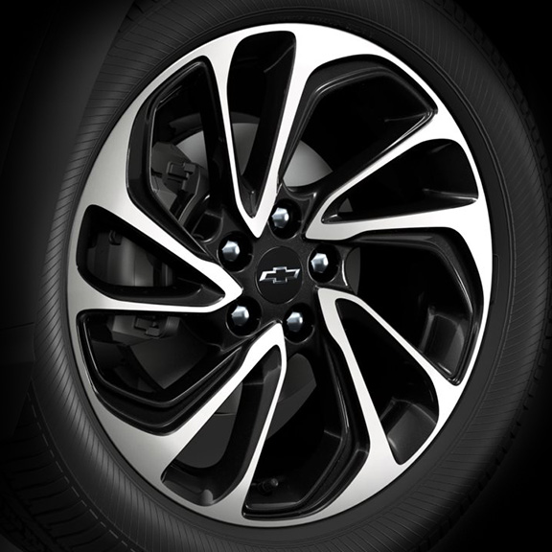 | Wheels, 17" (43.2 cm) machined-face aluminum with Carbon Flash painted pockets 1. Included and only available with (CWM) Technology Package. | A1 | --
 | RVF | 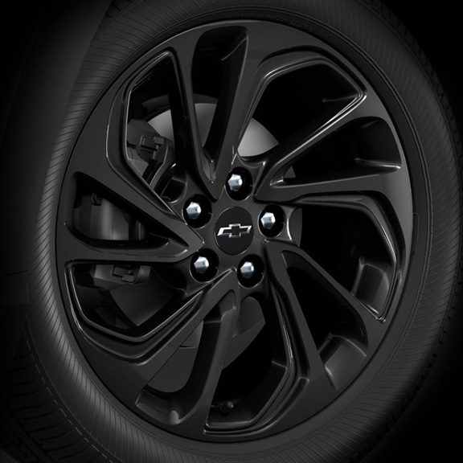 | Wheels, 17" (43.2 cm) Gloss Black painted aluminum | -- | S

